Pooled Funds & Total Fossil Fue
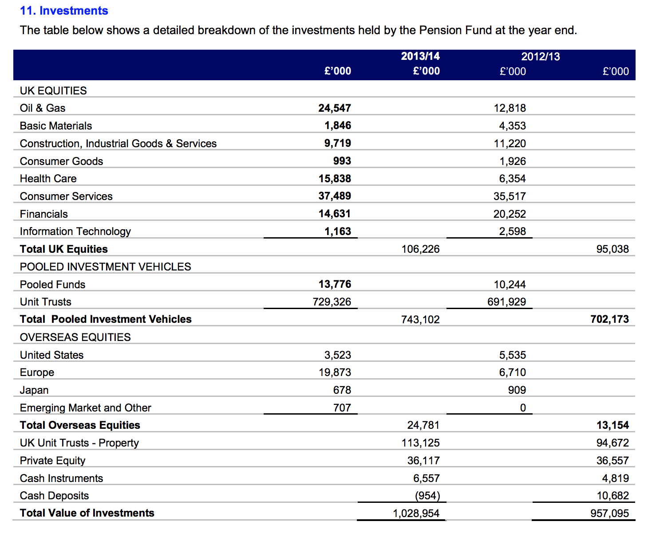
Pooled fund estimate | 10%
 | Amount | Percentage | Name | Pooled fund | Estimated fossil fuel holdings: | in % of total holdings

Total | 1,036,207,000.00
1 | 301,800,000.00 | 29.13% | Insight Bond |  | 0.00 | 0.00%
2 | 138,900,000.00 | 13.40% | MFS Global Equity | yes | 13,890,000.00 | 1.34%
3 | 137,400,000.00 | 13.26% | Baillie Gifford Global Equity | yes | 13,740,000.00 | 1.33%
4 | 106,000,000.00 | 10.23% | Invesco Property |  | 0.00 | 0.00%
5 | 71,800,000.00 | 6.93% | PAAMCO Hedge Fund (Fund of Funds) |  | 0.00 | 0.00%
6 | 44,900,000.00 | 4.33% | Standard Life Diversifed | yes | 4,490,000.00 | 0.43%
7 | 37,489,000.00 | 3.62% | Consumer Services |  | 0.00 | 0.00%
8 | 37,300,000.00 | 3.60% | Adams Street Private equity |  | 0.00 | 0.00%
9 | 35,400,000.00 | 3.42% | Cash |  | 0.00 | 0.00%
10 | 29,800,000.00 | 2.88% | BlueCrest Hedge Fund (Fund of Funds) |  | 0.00 | 0.00%
11 | 24,781,000.00 | 2.39% | Majedie Overseas Equities | yes | 2,478,100.00 | 0.24%
12 | 24,547,000.00 | 2.37% | Oil & Gas |  | 0.00 | 0.00%
13 | 15,838,000.00 | 1.53% | Health Care |  | 0.00 | 0.00%
14 | 14,631,000.00 | 1.41% | Financials |  | 0.00 | 0.00%
15 | 9,719,000.00 | 0.94% | Construction, Industrial Goods & Services |  | 0.00 | 0.00%
 |  |  |  | Total estimated fossil fuels in largest pooled funds | 34,598,100.00 | 3.34%
 |  |  |  | Total direct fossil fuels | 24,547,000.00 | 2.37%

 |  |  |  | Total fossil fuels | 59,145,100.00 | 5.71%
 |  |  |  | Total holdings | 1,036,207,000

